Form
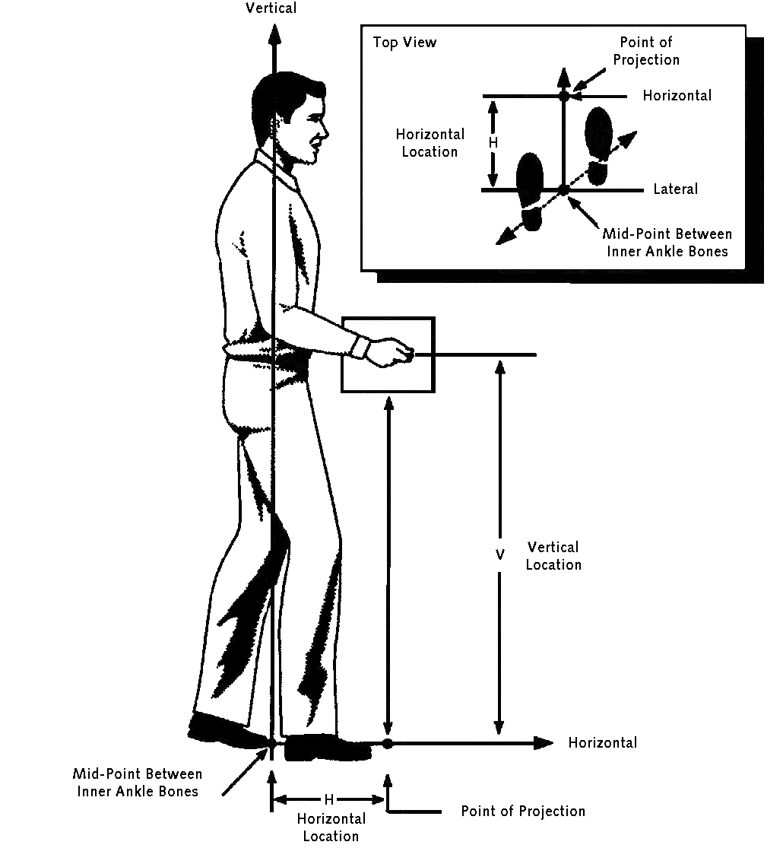
NIOSH Lifting Guidelines - 1991
Refer to pictures on right for help on questions
Hover over cells with red triangles for more information

Date
Analyst
Job

Lifting Task Specifics
Object Weight (pounds)
Duration of Task (hours)
# of Times done per Minute
Coupling

Origin of Lift
Horizontal Location of Hands (inches)
Vertical Location of Hands (inches)
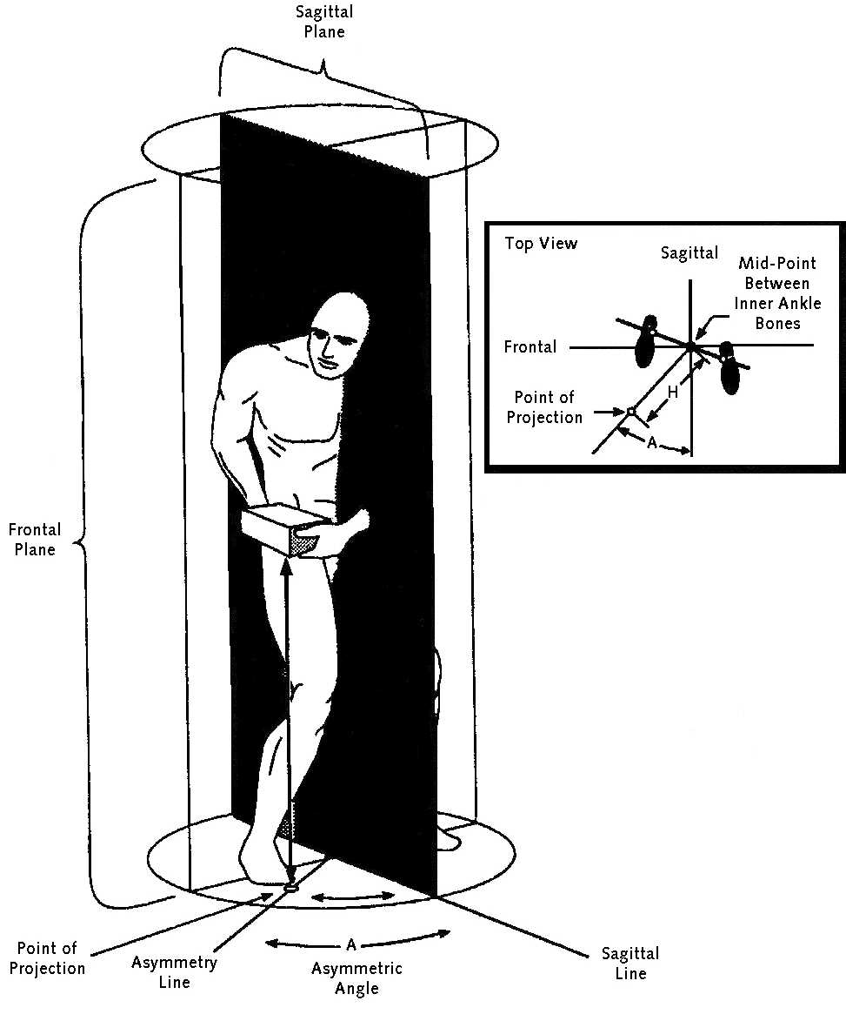
Angle of Asymmetry (degrees)

Destination of Lift
Horizontal Location of Hands (inches) |  |  |  | 0.2
Vertical Location of Hands (inches) |  |  |  | 0.5
Angle of Asymmetry (degrees) |  |  |  | 1
 |  |  |  | 2
 |  |  |  | 3
Lifting Index | 0.0 |  |  | 4
Recommended Weight Limit | 0.0 |  |  | 5
 |  |  |  | 6
 |  | < 1 hr | Good | 7
 |  | 1 - 2 hrs | Fair | 8
 |  | 2 - 8 hrs | Poor | 9
 |  |  |  | 10
 |  |  |  | 11
Reference: http://www.cdc.gov/niosh/docs/94-110/ |  |  |  | 12
 |  |  |  | 13
 |  |  |  | 14
 |  |  |  | 15
 |  |  |  | 16

